Dashboard
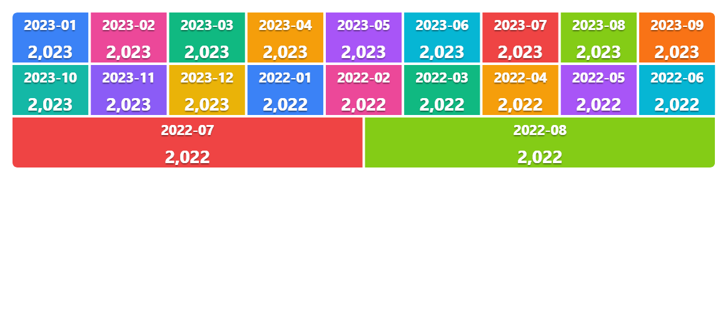
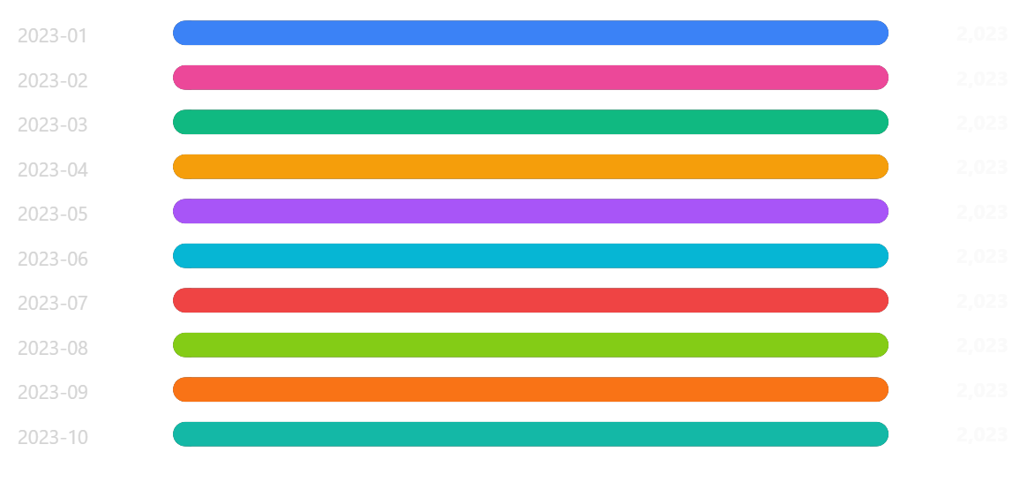
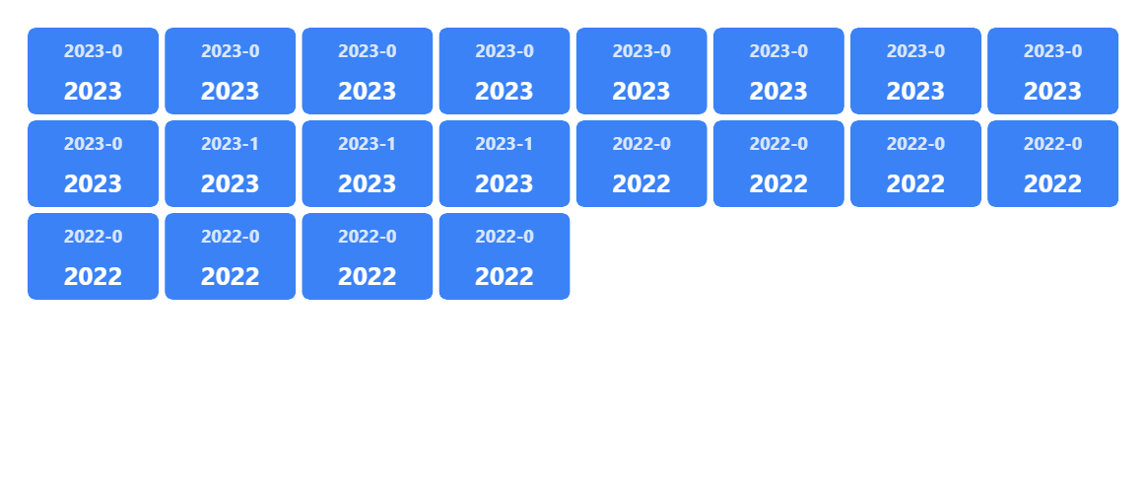
📊 Innovation Hub Dashboard

Generated 27/10/2026, 15:13:07 · Mode: embedded chart images (native chart API unavailable — images guaranteed) · 21 charts · 5 KPIs

Total Rows | Row Count | Total Year |  | Avg Year | Mini Table
24.00 | 24.00 | 48,540.00 |  | 2,022.50 | 48,540.00

📈 Bar Chart |  |  | 📈 Horizontal Bar |  |  | 📈 Line Chart
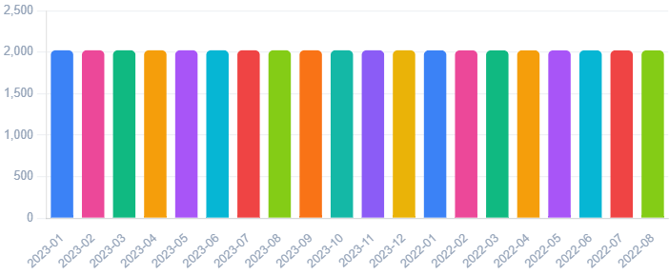
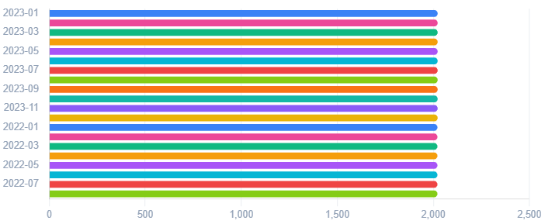
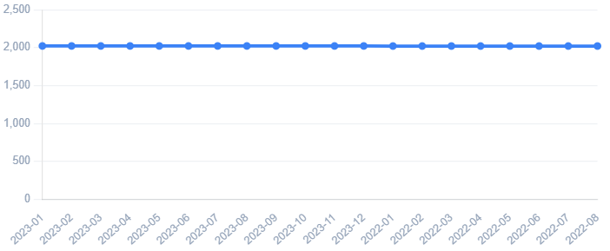

📈 Area Chart |  |  | 📈 Pie Chart |  |  | 📈 Doughnut Chart
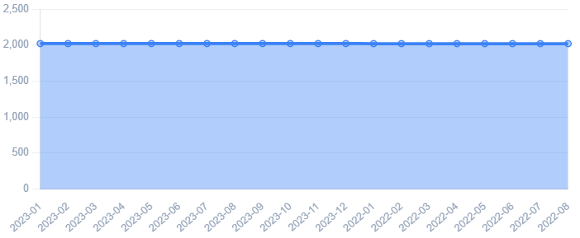
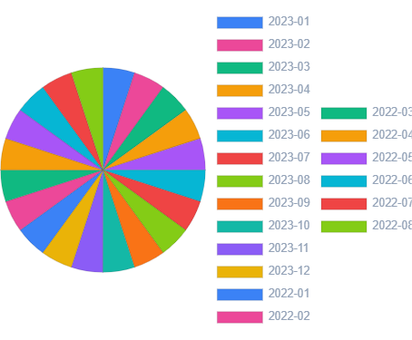
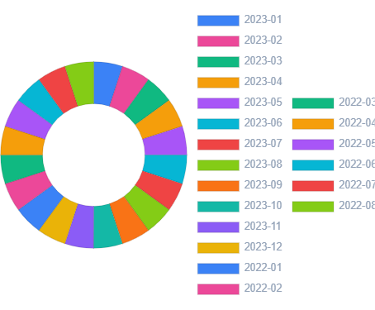

📈 Radar Chart |  |  | 📈 Stacked Bar |  |  | 📈 Stacked Area
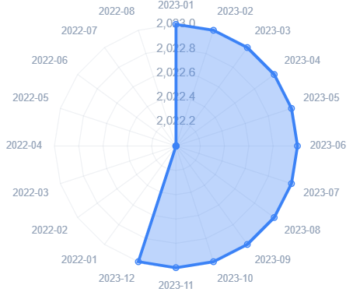

📈 Smooth Line |  |  | 📈 Step Line |  |  | 📈 Pareto


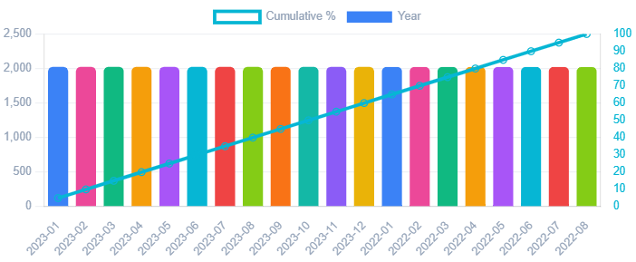

📈 Combo |  |  | 📈 Histogram |  |  | 📈 Scatter Plot
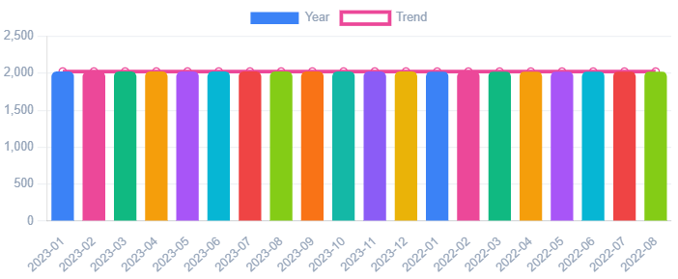
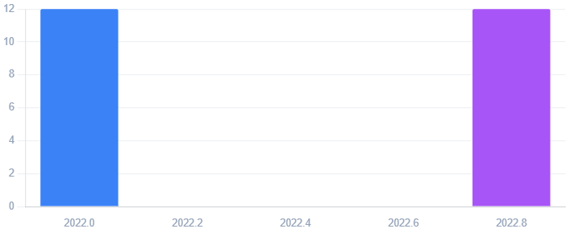
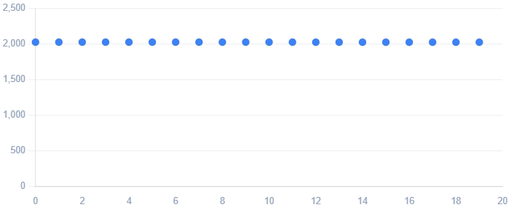

📈 Bubble Chart |  |  | 📈 Polar Area |  |  | 📈 Funnel
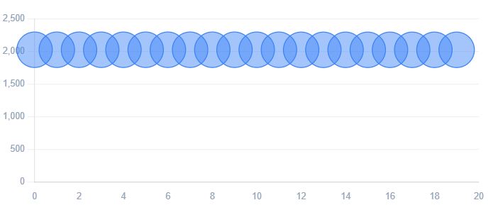
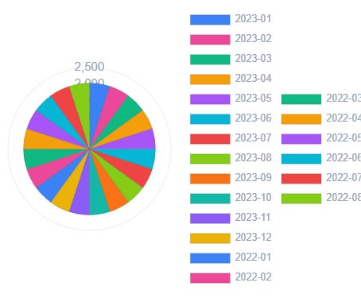
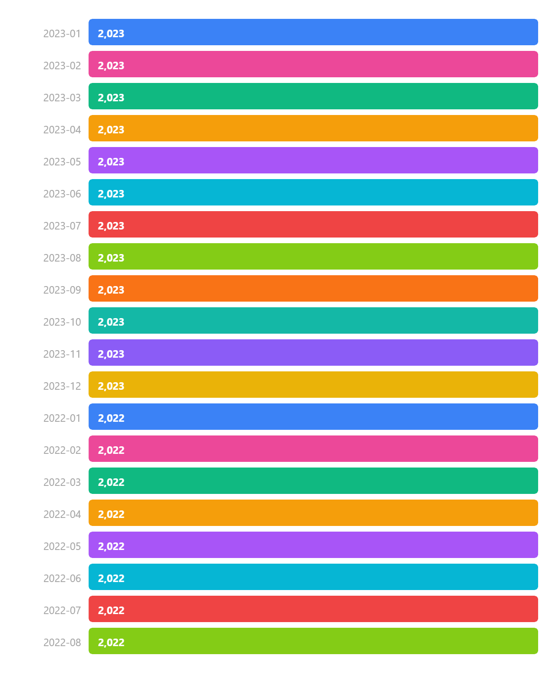

📈 Treemap |  |  | 📈 Progress Bars |  |  | 📈 Heatmap

